Overall Score
Overall Score

ID | Item | Total
A | Azure Billing and Active Directory Tenant | 21%
B | Identity and Access Management | 47%
C | Resource Organization | 44%
D | Network Topology and Connectivity | 28%
ID | Implement Policy Driven Governance and Subscripton democratization to support AppDevOps teams. | 0%
F | Management | 32%
G | Security | 0%
H | Platform Automation and DevOps | 0%

ALZ VISIO
Azure Landing Zone Conceptual Archtecture
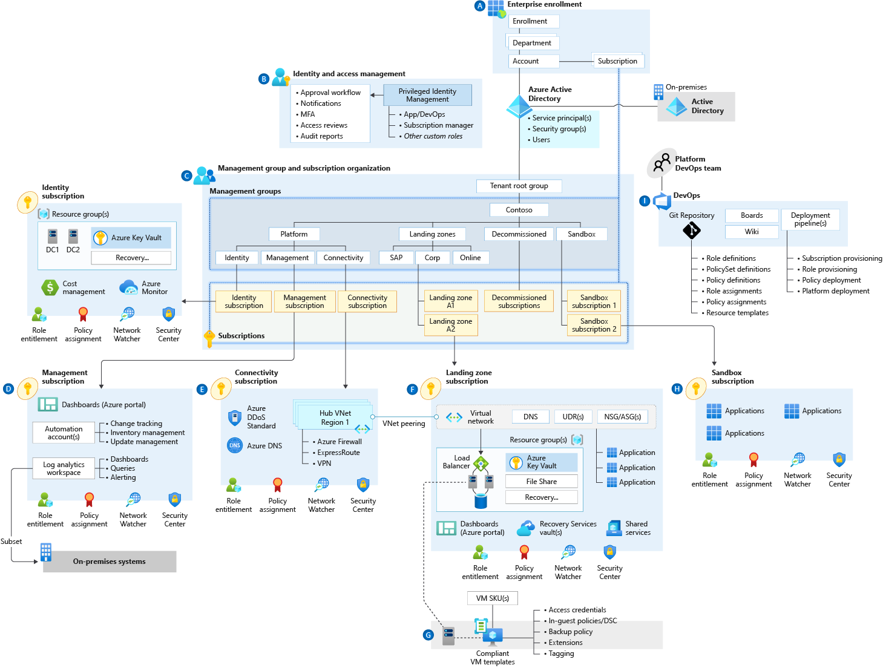

 | Download one or both of the enterprise-scale architecture diagrams for customer as needed:

 |  | Both the Virtual WAN and the hub-and-spoke architecture, as a Visio diagram (VSDX)

